Sheet1
Waterford Co-Sponsored Contacts |  |  | 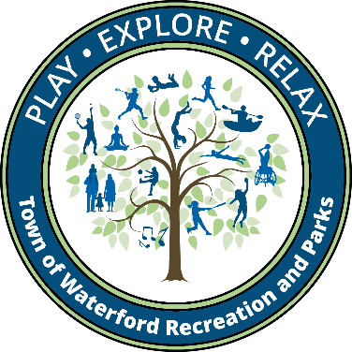
Organization | Representative | Email | Website
Waterford Little League | Brianna Hogarty | President@wllct.org | Waterford Little League > Home (wllct.org)
American Legion | Joe Mariani | joe_mariani@ml.com
Girls Sr. League Softball | Dave Sykora | dave.sykora@snet.net
Babe Ruth Baseball | Lucas Beaney | beans3@snet.net
Youth Lacrosse | Paul Deon | pauldeon@sbcglobal.net | waterfordyouthlacrosse.org
Waterford Youth Football | Larry Maskell | WYFCL.maskell@gmail.com | https://clubs.bluesombrero.com/Default.aspx?tabid=445946
Waterford Youth Cheer | Ashley Brackett | ashleybrackett@att.net | https://clubs.bluesombrero.com/Default.aspx?tabid=445946
Waterford Soccer Club | Suzuko Knott | wtfdsoccerclubpresident@gmail.com | www.waterfordsoccer.org
Ice Hockey | Dave Collins | waterfordhockey@gmail.com
Wrestling | Kristin Karasevicz | Kristin.karasevicz@gmail.com
Waterford Youth Basketball | Brianna Hogarty Sarah Paterson | Waterfordbballboard@gmail.com | Waterford Recreational Basketball, INC. > Home (waterfordrecbasketball.com)
The Original Waterford Community Band | Steve Caldwell | steven_caldwell@sbcglobal.net
Southeast CT Community Orchestra | Susan Butler | seccorchestra@gmail.com | seccorchestra.com

